MAIN
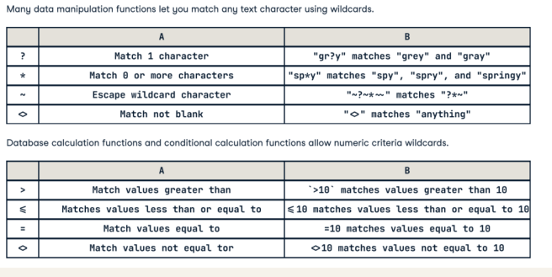
Country* | Country code | Internet TLD | Phone prefix code
China | CHN | .cn | 86
India | IND | .in | 91
United States | USA | .us | 1
Indonesia | IDN | .id | 62
Pakistan | PAK | .pk | 62 | **
Brazil | BRA | .br | 55
Nigeria | NGA | .ng | 234
Bangladesh | BGD | .bd | 880
Russia | RUS | .ru | 7
Mexico | MEX | .mx | 52

*REF :https://www.datacamp.com/cheat-sheet/getting-started-with-excel-cheat-sheet?utm_source=google&utm_medium=paid_search&utm_campaignid=19589720830&utm_adgroupid=152984017334&utm_device=c&utm_keyword=&utm_matchtype=&utm_network=s&utm_adpostion=&utm_creative=733936254905&utm_targetid=dsa-2219652735976&utm_loc_interest_ms=&utm_loc_physical_ms=9028167&utm_content=dsa~tofu~cheat-sheet~spreadsheets&accountid=9624585688&utm_campaign=230119_1-sea~dsa~tofu_2-b2c_3-nam_4-prc_5-na_6-na_7-le_8-pdsh-go_9-nb-e_10-na_11-na&gad_source=5&gclid=EAIaIQobChMIwbHK9ofOjAMVQHR_AB1zUDKwEAAYASAAEgLjkvD_BwE
** phone code of 62 is used 2 times to give an example for some functions

Logical & Lookup Functions
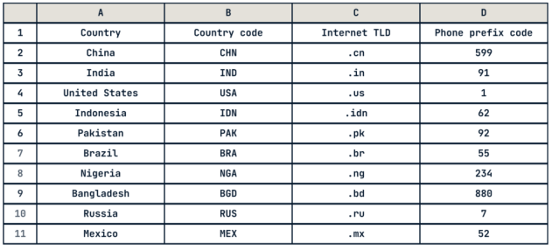

Subset Arrays for Multiple Rows
Example # | Explanation | Function | RESULT
ex1 | Get the rows of a return array where the keys match a value with XLOOKUP() | =XLOOKUP("Nigeria", MAIN!A2:A11, MAIN!B2:D11) | >> | NGA | .ng | 234

ex2 | Where the lookup value does not match a key, provide a default value with XLOOKUP(if_not_found) | =XLOOKUP("United Kingdom", MAIN!A2:A11, MAIN!B2:D11, "Country not found") | >> | Country not found

ex3 | Where the lookup value does not match a key, return the next largest value with XLOOKUP(match_mode=1) | =XLOOKUP("United Kingdom", MAIN!A2:A11, MAIN!B2:D11, #N/A, 1) | >> | USA | .us | 1

ex4 | Get the rows of a return array where the keys match a value in D10 with XLOOKUP() | =XLOOKUP(D19, MAIN!A2:A11, MAIN!B2:D11) | >> | NGA | .ng | 234
 |  |  | Nigeria
ex5 | Get only 2nd column from the rows of a return array where the keys match a value with VLOOKUP() | =VLOOKUP("Nigeria", MAIN!A2:D11, 2, FALSE) | >> | NGA

Subset Arrays for Multiple Rows with FILTER
 |  |  | RESULT
ex6 | Filter an array for values that match a value with FILTER() — Same as =XLOOKUP("Nigeria", A2:A11, B2:D11) | =FILTER(MAIN!B2:D11, MAIN!A2:A11="Nigeria") | >> | NGA | .ng | 234

ex7 | FILTER can also return multiple row | =FILTER(MAIN!A2:D11, MAIN!D2:D11<10) | >> | United States | USA | .us | 1
 |  |  |  | Russia | RUS | .ru | 7

ex8 | Combine criteria using logical AND with FILTER(include1 * include2) — For text data < means "preceding alphabetically" | =FILTER(MAIN!A2:D11, (MAIN!A2:A11 > "T") * (MAIN!D2:D11 < 10)) | >> | United States | USA | .us | 1

ex9 | Combine criteria using logical OR with FILTER(include1 + include2) | =FILTER(MAIN!A2:D11, (MAIN!C2:C11 = ".us") + (MAIN!C2:C11 = ".ru")) | >> | United States | USA | .us | 1
 |  |  |  | Russia | RUS | .ru | 7

Find Positions in Lists with XMATCH()

ex10 | Get the position in a list of the first exact match of a value with XMATCH() | =XMATCH("Brazil", MAIN!A2:A11) | >> | 6

ex11 | Get the position in a list of the first match that starts with a value with XMATCH(match_mode=1) | =XMATCH("I", MAIN!A2:A11, 1) | >> | 2

ex12 | Get the position in a list of the first match using wildcards with XMATCH(match_mode=2) | =XMATCH("Me?ico", MAIN!A2:A11, 2) | >> | 10

ex13 | For data sorted in ascending order, use faster binary search for same task XMATCH(search_mode=2) | =XMATCH("China", SORT(MAIN!A2:A11), , 2) | >> | 3

Get Values by Position with INDEX

ex14 | Get the value by row and column number within an array with INDEX() — Row and column numbers start from 1rom 1 | =INDEX(MAIN!A2:D11, 5, 3) | >> | .pk

ex15 | Get the value that matches a condition with XMATCH() and INDEX() combined | =INDEX(MAIN!A2:D11, XMATCH("Brazil", MAIN!A2:A11), XMATCH("Country code", MAIN!A1:D1)) | >> | BRA

Sort Arrays with SORT

ex16 | Sort an array in ascending order(TRUE =1) of values in a column 3 with SORT() | =SORT(MAIN!A2:D11, 4, TRUE) | >> | United States | USA | .us | 1
 |  | SORT(MAIN!A2:D11, 3, 1) |  | Russia | RUS | .ru | 7
 |  |  |  | Mexico | MEX | .mx | 52
ex17 | Sort an array in descending order(FALSE =0) of values in a column 3 with SORT() | SORT(MAIN!A2:D11, 4, FALSE) |  | Brazil | BRA | .br | 55
 |  | SORT(MAIN!A2:D11, 4, 0) |  | Indonesia | IDN | .id | 62
 |  |  |  | Pakistan | PAK | .pk | 62
 |  |  |  | China | CHN | .cn | 86
 |  |  |  | India | IND | .in | 91
 |  |  |  | Nigeria | NGA | .ng | 234
 |  |  |  | Bangladesh | BGD | .bd | 880

ex18 | Sort an array in descending order(FALSE =0) of values in a column 3 with SORT() | =SORT(MAIN!A2:D11, 4, FALSE) | >> | Bangladesh | BGD | .bd | 880
 |  | SORT(MAIN!A2:D11, 4, 0) |  | Nigeria | NGA | .ng | 234
 |  |  |  | India | IND | .in | 91
 |  |  |  | China | CHN | .cn | 86
 |  |  |  | Indonesia | IDN | .id | 62
 |  |  |  | Pakistan | PAK | .pk | 62
 |  |  |  | Brazil | BRA | .br | 55
 |  |  |  | Mexico | MEX | .mx | 52
 |  |  |  | Russia | RUS | .ru | 7
 |  |  |  | United States | USA | .us | 1

ex19 | Sort an array by multiple arrays (first acc 4th col. then 1st col) | =SORT(MAIN!A2:D11, 4, FALSE,1,TRUE) |  | Bangladesh | BGD | .bd | 880
 |  | SORT(MAIN!A2:D11, 4, 0,1,1) |  | Nigeria | NGA | .ng | 234
 |  |  |  | India | IND | .in | 91
 |  |  |  | China | CHN | .cn | 86
 |  |  |  | Indonesia | IDN | .id | 62
 |  |  |  | Pakistan | PAK | .pk | 62
 |  |  |  | Brazil | BRA | .br | 55
 |  |  |  | Mexico | MEX | .mx | 52
 |  |  |  | Russia | RUS | .ru | 7
 |  |  |  | United States | USA | .us | 1

ex20 | Sort an array by multiple arrays (first acc 4th col. then 1st col) | SORT(MAIN!A2:D11, 4, 0,1,0) | >> | Bangladesh | BGD | .bd | 880
 |  |  |  | Nigeria | NGA | .ng | 234
 |  |  |  | India | IND | .in | 91
 |  |  |  | China | CHN | .cn | 86
 |  |  |  | Pakistan | PAK | .pk | 62
 |  |  |  | Indonesia | IDN | .id | 62
 |  |  |  | Brazil | BRA | .br | 55
 |  |  |  | Mexico | MEX | .mx | 52
 |  |  |  | Russia | RUS | .ru | 7
 |  |  |  | United States | USA | .us | 1

